2nd Floor IT
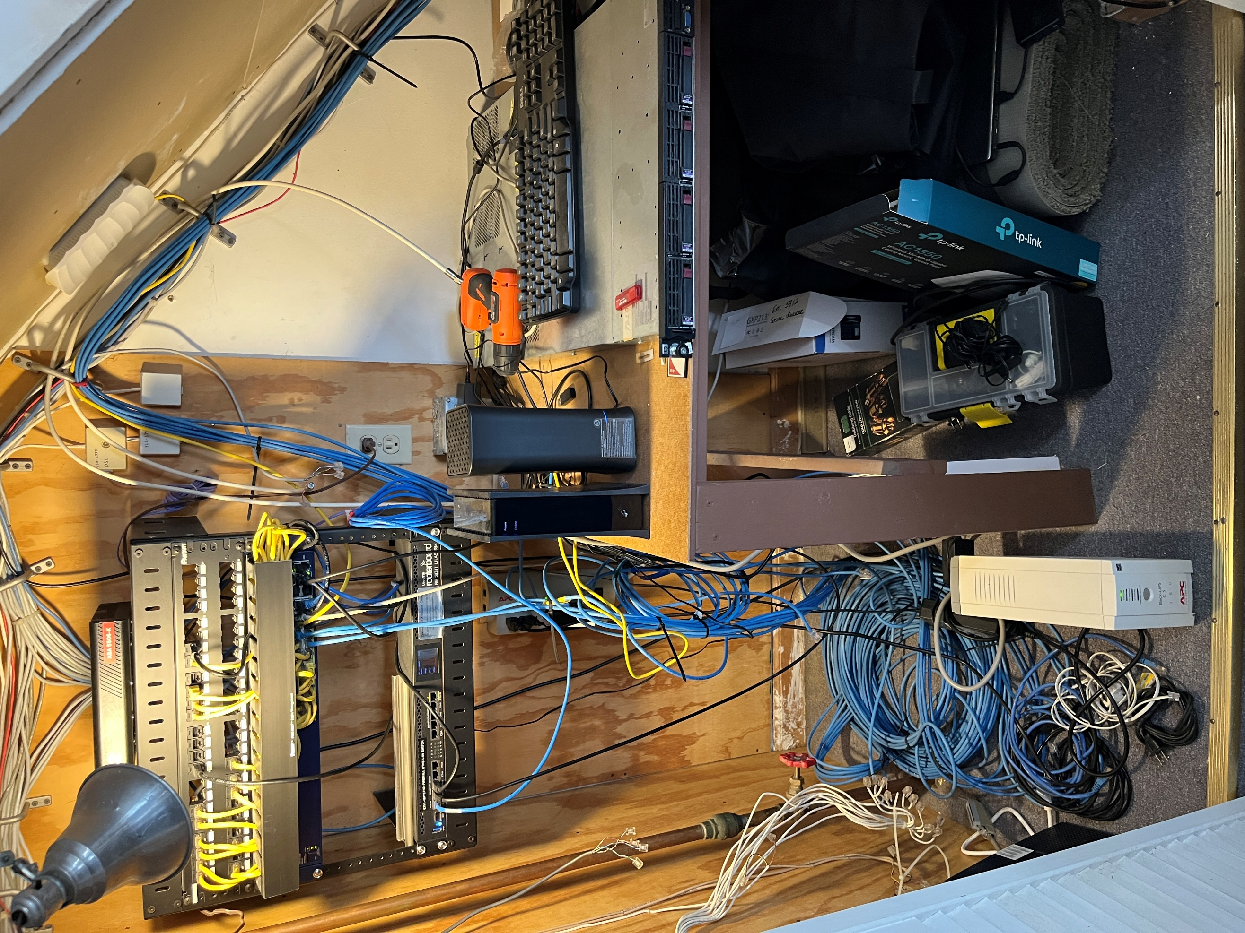
. | .

1st Floor IT
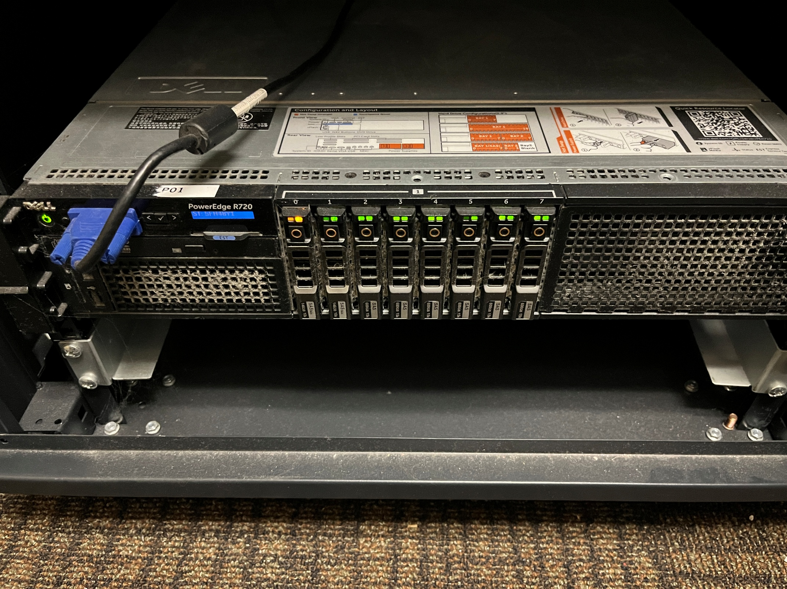
.

 | Dell PowerEdge R720
 | 5FH48Y1

Sheet1
. | . | state 0 | . | . | ….. | …

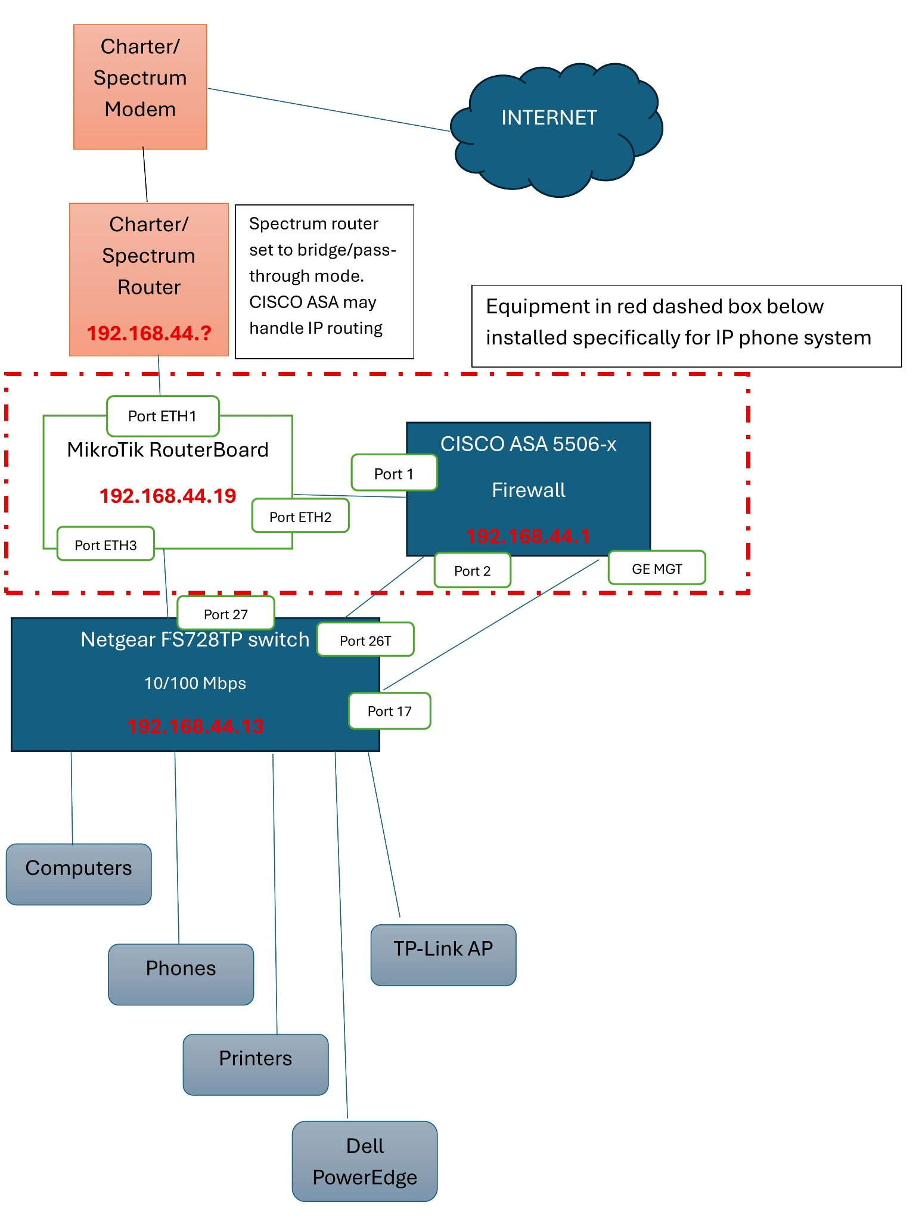
 |  | Charter Modem EN2251 B522231F562

 |  | Charter Router A92218330ADC 192.168.44.?? 192.168.1.1 admin/admin??

 |  | Netgear FS728TP switch 24 x 10/100 Mbps RJ-45 PoE, 2 x 1Gb Copper, 2 x 1Gb Combo SFP 192.168.44.13 192.168.0.239 admin/password

 |  | PANDUIT patch panel

 |  | APC Back-UPS CS 350

 |  | MikroTik RouterBoard RB3011UiAS-RM 192.168.44.19

 |  | CISCO ASA 5506-x firewall 192.168.1.1

 |  | TP-Link wifi access point

 |  | Dell PowerEdge R720 5FH48Y1
 |  | > CFSDC2 (Domain Controller) 192.168.44.60
 |  | > CFSFS (File Server) 192.168.44.61
 |  | > CFSPRN (Print Server) 192.168.44.62
 |  | > VJUMP (Jump Box/Admin VM) 192.168.44.30

 |  | This is the current state of the CFS IT network architecture as of March 14, 2026.

